Guidance
Consider placing government institution / EITI logo(s) here
Beneficial ownership declaration form

Guidance for companies
1. Fill out the main ‘COMPANY DECLARATION’ sheet. Follow directions to fill out any supplementary sheets as required.
2. All fields marked with an asterisk (*) are required.
3. Place your pointer over cells with a ⓘ to see supporting information.
4. Fields which require your input are marked in grey (unless marked with "for admin only"):
5. Fields which guide the person filling out the form are held blue:
6. Values which will not be publicly shared will be highlighted in yellow and have an accompanying note: | <text> | This will not be made public
7. For questions on filling in this form, please contact [Name or Office of form administrator, email / phone number]

Guidance for form designers and administrators (remove before sending)
This declaration for comes with a guide for form designers and administrators. You can find it here: https://eiti.org/document/beneficial-ownership-model-declaration-form
1. Consider adding the logo of the data collecting entity (and if useful, of the national EITI) on the top of this sheet (see placeholder).
2. Complete the ‘Administrative tracking’ section of the ‘Form administrator only’ sheet before sending this form to companies.
3. Ensure that the definition of ‘significant’ interests is completed in the guidance note for question 4(d) on the main ‘COMPANY DECLARATION’ sheet.
4. Ensure that the definition of ‘beneficial owner’ is completed in the guidance note for question 4(e) on the main ‘COMPANY DECLARATION’ sheet.
5. Ensure that sheet ‘4(e) Beneficial owner’ has a completed introductory section, including the legal basis (if available) and the locally determined definition of a beneficial owner and a Politically Exposed Person.
6. Ensure that sheet ‘4(e) Beneficial owner’ part (iii) includes the local definition of a Politically Exposed Person (PEP).
7. Ensure that the introductory section of the ‘4(d) Publicly listed company ’ sheet is completed to provide thresholds and criteria for disclosure.
8. Consider whether transliteration of the company name and beneficial owners’ names is required. Edit or remove ‘COMPANY DECLARATION’ 1(b) and ‘4(e) Beneficial owner’ 4(e)(ii)B, accordingly, including the supporting information.
9. Decide whether to retain the ‘Company ownership map’ sheet. If it is not to be retained, edit the introductory sections of sheets ‘4(c)...’, ‘4(d)...’ and ‘4(e)...’
10. Protect cells and sheets that should not be edited by those completing this form.
11. Add the contact information under point 7 in the guidance for companies so that they know who to contact if there are any questions.
12. Delete this ‘Guidance for form designers and administrators’ text before sending out, including the text below the line.

The model declaration form was prepared by the EITI International Secretariat in cooperation with OpenOwnership.
It is compatible with the Beneficial Ownership Data Standard 0.2
Version for high quality data collection, beta. 15 October 2020
For questions or comments, please contact secretariat@eiti.org
 |  | eiti.org
This work is licensed under the Creative Commons Attribution-ShareAlike 4.0 International license (CC BY-SA 4.0).
To view of a copy of this license visit https://creativecommons.org/licenses/by-sa/4.0/

To give credit: |  | openownership.org
Based on EITI International Secretariat beneficial ownership model declaration form, 2020.
https://eiti.org/document/beneficial-ownership-model-declaration-form

Company ownership map
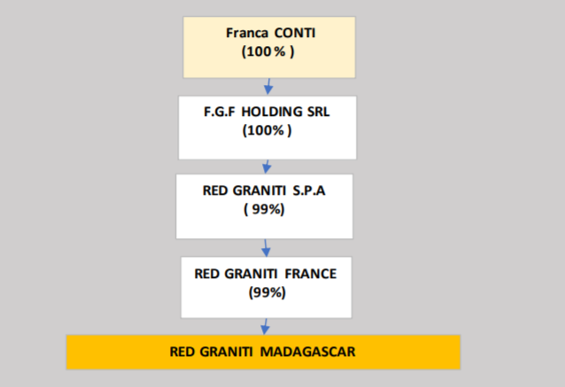
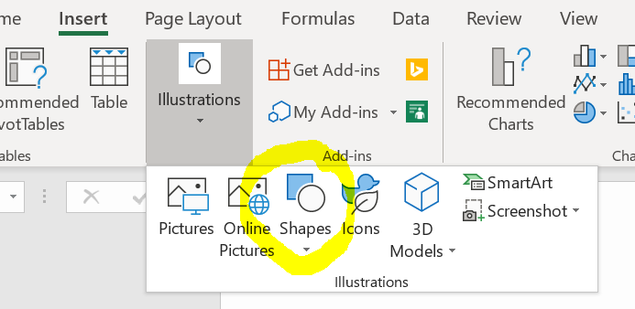
Company ownership map
Optional: provide a diagram here of the ownership and control structure of the declaring company (either insert image or use Excel drawing tools).
Delete the examples below and replace with own.

Some example shapes (click and copy paste, or delete)
Declaring company name

30%
50%
20%

Legal owner 1 (company name)
Legal owner 2
(company name)
Legal owner 3 (company name)

100%
100%
80%
20%

Beneficial owner (person name)
Publicly listed company
(company name)
Legal owner 4
(company name)
Beneficial owner
(person name)

51%
100%

Ministry of Finace (State participation)
Beneficial owner and a PEP
(person name, reason for PEP)

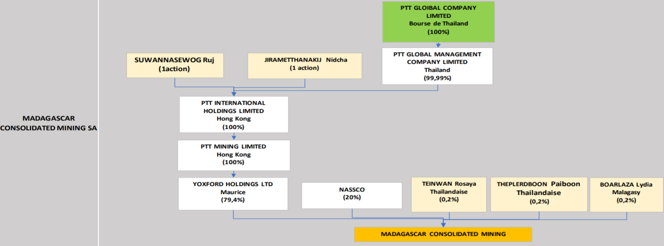
Examples from Madagascar 2018 EITI Report, Annex 5
https://eiti.org/document/madagascar-2018-eiti-report

